Intro
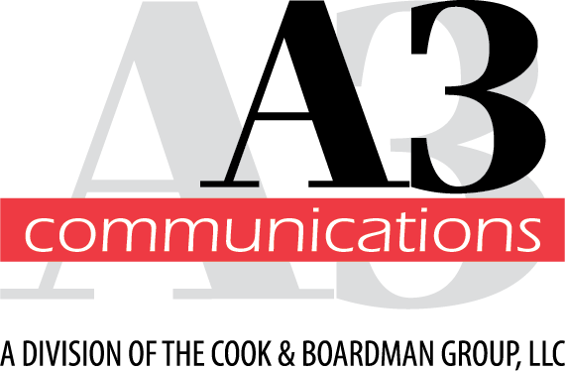

The following pages contain MSRP pricing for brands sold by A3 Communications on the South Carolina AV Contract. For questions regarding these, please contact your A3 sales representative.
Updated: 08/29/2025

